Push Notification Launch
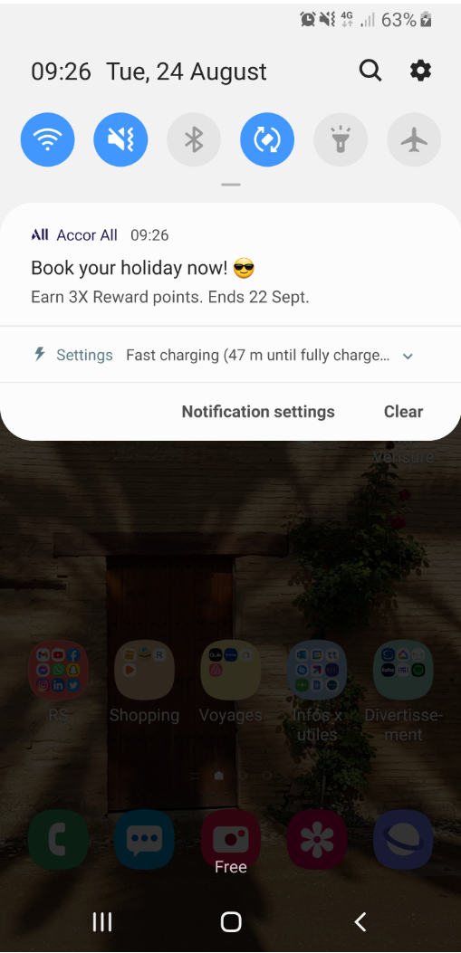
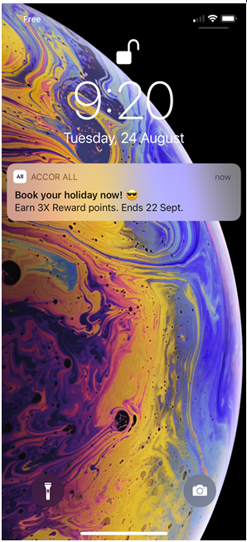
LANGUAGE | TITLE | NEW LIMIT: 26 car. |  | iOS | Android
GB (Mandatory) | 🇫🇷 French stays for less | 26
FR | Séjour pas cher en France | 25
DE | Günstiger nach Frankreich | 25
IT | Vacanze francesi a meno | 23
ES | Más barata para Francia | 23
NL | Goedkoper naar Frankrijk | 24
PT | Férias em França por menos | 26
PL | Odkryj piękno Francji | 21

TITLE
MESSAGE
LANGUAGE | MESSAGE | NEW LIMIT: between 50 car.& 150 car. (136 car. Would be best) (main information in the first words)
GB (Mandatory) | Celebrate France with 15% off 2 night min. stays. Book now to experience the charm and beauty of France at an exclusive discount. | 129
FR | Célébrez la France en économisant 15 % sur les séjours d'au moins 2 nuits. Réservez pour découvrir toute la splendeur de la France à un prix exclusif. | 150
DE | Erleben Sie Frankreich und sparen Sie 15% ab 2 Nächten. Buchen Sie jetzt und erleben Sie den Charme und die Schönheit Frankreichs für weniger Geld. | 147
IT | Respira l'aria di festa francese con il -15% su almeno 2 notti. Prenota ora e scopri il fascino della Francia | 109
ES | Sigue disfrutando del encanto y la belleza de Francia con un 15 % de descuento exclusivo en estancias de 2 noches o más. | 120
NL | Beleef Frankrijk met 15% korting op min. 2 nachten. Boek nu en geniet van de Franse charme en schoonheid met exclusieve korting. | 128
PT | Celebre em França e poupe15% em estadias de 2 ou mais noites. Reserve já para conhecer o seu encanto e a sua beleza com um desconto exclusivo. | 142
PL | Skorzystaj z 15% zniżki na pobyty z min. 2 noclegami. Twoja francuska przygoda czeka - zarezerwuj teraz i zaoszczędź! | 117

LANGUAGE | WEB URL (for information) | DEEPLINK (Please select a type of link) | WISE OFFER ID (for example : 014030) | LABEL (contributed by Central team) | FINAL LINK WITH TRACKING (Central Team)
FR |  | accor://search/offer?offer_id= |  | Contributed by Central team | accor://search/offer?offer_id=&sourceid=ml-Contributed by Central team-b1b1
GB - GB-GB GEOLOC |  | accor://search/offer?offer_id= |  | Contributed by Central team | accor://search/offer?offer_id=&sourceid=ml-Contributed by Central team-b1b1
GB - DF-GB GEOLOC |  | accor://search/offer?offer_id= |  | Contributed by Central team | accor://search/offer?offer_id=&sourceid=ml-Contributed by Central team-b1b1
DE |  | accor://search/offer?offer_id= |  | Contributed by Central team | accor://search/offer?offer_id=&sourceid=ml-Contributed by Central team-b1b1
IT |  | Select link |  | Contributed by Central team | Final link - Contributed by Central team
ES |  | Select link |  | Contributed by Central team | Final link - Contributed by Central team
NL |  | accor://search/offer?offer_id= |  | Contributed by Central team | accor://search/offer?offer_id=&sourceid=ml-Contributed by Central team-b1b1
PT |  | Select link |  | Contributed by Central team | Final link - Contributed by Central team
PT-BR |  | Select link |  | Contributed by Central team | Final link - Contributed by Central team
ZH |  | Select link |  | Contributed by Central team | Final link - Contributed by Central team
JA |  | Select link |  | Contributed by Central team | Final link - Contributed by Central team
RU |  | accor://search/offer?offer_id= |  | Contributed by Central team | accor://search/offer?offer_id=&sourceid=ml-Contributed by Central team-b1b1
ID |  | Select link |  | Contributed by Central team | Final link - Contributed by Central team
KO |  | Select link |  | Contributed by Central team | Final link - Contributed by Central team
PL |  | accor://search/offer?offer_id= |  | Contributed by Central team | accor://search/offer?offer_id=&sourceid=ml-Contributed by Central team-b1b1
SV |  | Select link |  | Contributed by Central team | Final link - Contributed by Central team
AR | To complete | Select link |  | Contributed by Central team | Final link - Contributed by Central team
TH | To complete | Select link |  | Contributed by Central team | Final link - Contributed by Central team
TR | To complete | Select link |  | Contributed by Central team | Final link - Contributed by Central team
VI | To complete | Select link |  | Contributed by Central team | Final link - Contributed by Central team

